Description
enviPath Pathway Upload Template
This workbook is designed to simplify the upload of biotransformation pathways into the enviPath database and pathway predition system (https://envipath.org/).
There are four main types of tabs (colored red and orange) in this workbook that should be filled out with an observed biotransformation pathway for one compound in one published study:
First, fill out the information in the yellow highlighted table in top left-hand corner. Next, fill out the tabs according to the description below:
Tab 1) Compounds: fill out this tab with compound types (parent or TP), names, and SMILES.
Tab 2) Connectivity: This tab defines observed biotransformation reactions from reactant to product using SMILES.
Tabs 3-6) Scenarios: These tab contain information about the environmental conditions at which the biotransformations were measured/observed. Pick the scenario type that best fits the environmental conditions in your paper, and designate this in the yellow highligted table in the top left-hand corner of this sheet.
Tab 7) Kinetics_Confidence: Biotransformation rate constants, half-lives, confidence levels, and proposed intermediates can be reported/designated here.
Additional tips for filling out this template:
* The template contains example data in each tab. Please replace this information with your new data.
* Cells colored in blue are drop-down lists.
* Cells colored in green can accept any input text or numerical values
* If something is confusing or does not fit your data, please write a comment in the "comment" column at the end of each table.
Please include a short description of the study used to generate the information in this excel workbook.
Data here are from the paper "Stability and Biotransformation of 6:2 Fluorotelomer Sulfonic Acid, Sulfonamide Amine Oxide, and Sulfonamide Alkylbetaine in Aerobic Sludge" (10.1021/acs.est.3c05506)
Information | Entry
Paper Title | Stability and Biotransformation of 6:2 Fluorotelomer Sulfonic Acid, Sulfonamide Amine Oxide, and Sulfonamide Alkylbetaine in Aerobic Sludge
DOI | 10.1021/acs.est.3c05506
Scenario Environment | Sludge
Your Name | Stephanie Rich
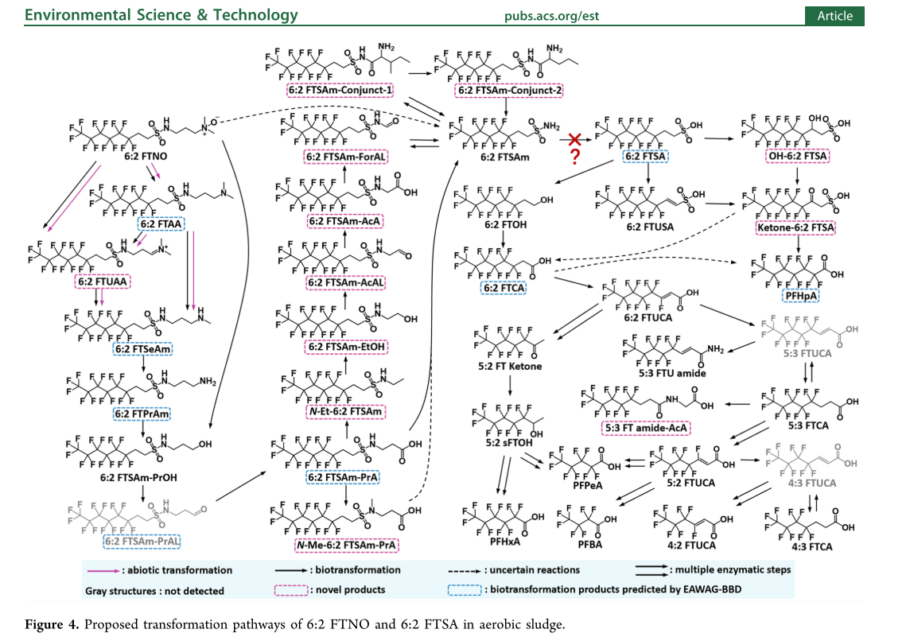
Email Address | stephanie.rich@uzh.ch
University/Company | University of Zürich

